Cost of Ownership
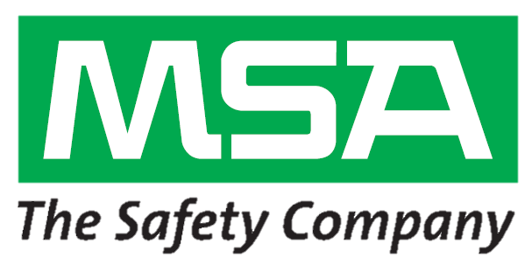

 | INPUTS
What currency would you like to use? |  | USD | $
Quoted price of one MSA ALTAIR 4XR Detector? |  |  | $
Number of instruments needed? |  |  | Total
Number of years that you keep a 4-gas detector? |  |  | Years
Frequency of bump testing per month? |  |  | Times per month
Frequency of calibration per month? |  |  | Times per month
Average calibration gas cost per liter? |  |  | $
Hourly expense of person bump testing? |  |  | $/hr
Quoted price of competitive detector? |  |  | $
Standard flow rate of competitors regulator |  |  | Liters per minute (lpm) |  |  | MSA GALAXY GX2 flow rate | 0.3 | lpm
Typical bump test time of competition? |  |  | Seconds |  |  | ALTAIR 4XR Instrument bump test time | 10 | Seconds
Typical span calibration time of competition? |  |  | Seconds |  |  | ALTAIR 4XR Instrument span calibration time | 60 | Seconds

 |  |  | Competitive Instrument |  |  | MSA ALTAIR 4XR
 |  |  | Single Instrument | Total Purchase |  | Single Instrument | Total Purchase
Initial Purchase Price |  |  |  |  | $ |  |  |  | $
Number of bump tests over the product life
Number of calibrations over the product life
Cost of calibration gas over the product life |  |  |  |  | $ |  |  |  | $
Cost of employee time for bump testing |  |  |  |  | $ |  |  |  | $
All costs associated with bump testing and calibrating |  |  |  |  | $ |  |  |  | $
Initial purchase + costs from bump testing and calibrating |  |  |  |  | $ |  |  |  | $

Calibration and bump test cost savings - ALTAIR 4XR Detector using GALAXY GX2 |  |  |  |  |  |  |  |  | $
Added cost savings from the ALTAIR 4XR detector's standard 4-year warranty |  |  |  |  |  |  |  |  | $
Added cost savings from the MSA XCell Sensors with 4-year life |  |  |  |  |  |  |  |  | $

Total cost of ownership savings with the MSA ALTAIR 4XR Multigas Detector |  |  |  |  |  |  |  |  | $

